Sheet1
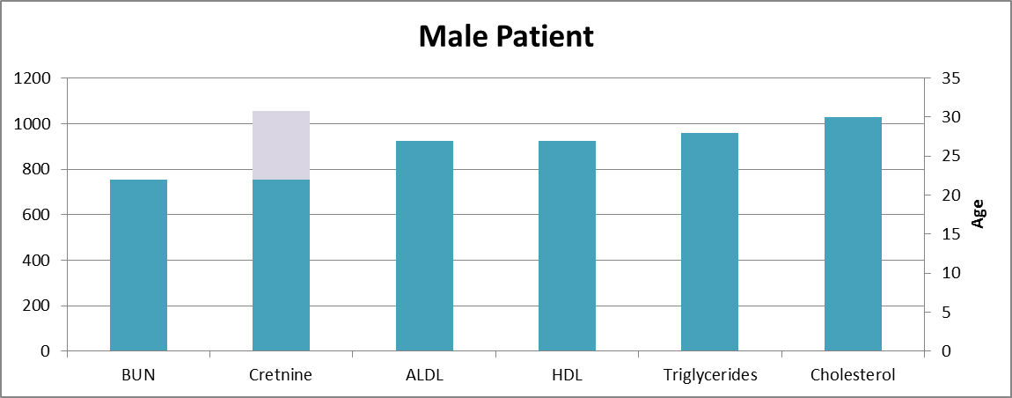
Patient | Gender | Age | BUN | Cretnine | ALDL | HDL | Triglycerides | Cholesterol
23 | F | 24 | 22.2 | 934 | 3.15 | 1.81 | 1.75 | 5.5
14 | F | 35 | 8.9 | 580 | 0.45 | 1.3 | 0.48 | 1.9
67 | F | 35 | 9.3 | 142 | 2.43 | 2.6 | 3.1 | 5.6
102 | F | 35 | 5.3 | 575 | 2.56 | 0.55 | 5 | 3.1
21 | F | 36 | 11.6 | 184 | 2.54 | 1.88 | 0.62 | 5.2
80 | F | 36 | 34 | 580 | 0.45 | 0.67 | 0.62 | 10
68 | F | 37 | 4.9 | 178 | 2.15 | 1.24 | 1 | 4.3
13 | F | 40 | 12.9 | 575 | 1.26 | 0.52 | 1.07 | 2.1
33 | F | 41 | 21.2 | 1082 | 1.82 | 0.9 | 0.88 | 5.66
77 | F | 41 | 18.1 | 160 | 1.64 | 1.24 | 2.64 | 7
31 | F | 43 | 16 | 842 | 2.79 | 1.35 | 0.41 | 4.2
88 | F | 43 | 19.3 | 954 | 1.81 | 1.69 | 1.22 | 9.17
103 | F | 44 | 6.3 | 580 | 1.98 | 0.86 | 1.45 | 4.1
32 | F | 48 | 15.6 | 936 | 0.44 | 0.81 | 2.4 | 4.3
Female Patient
87 | F | 48 | 23.9 | 184 | 2.8 | 0.73 | 1.82 | 8.66
99 | F | 48 | 16.4 | 791 | 1.81 | 0.83 | 0.73 | 3.2
37 | F | 53 | 18.9 | 821 | 2.69 | 0.67 | 2.68 | 4
79 | F | 53 | 16.6 | 575 | 1.26 | 0.79 | 4 | 6.3
85 | F | 53 | 18.8 | 427 | 2.29 | 1.01 | 1.22 | 9.53
7 | F | 55 | 32.1 | 901 | 2.65 | 0.83 | 0.81 | 3.8
34 | F | 56 | 21.4 | 1140 | 2.08 | 0.68 | 2.72 | 3.8
78 | F | 56 | 12.8 | 302 | 1.91 | 1.07 | 0.78 | 9
20 | F | 59 | 16.6 | 611 | 1.76 | 2.1 | 2.76 | 4.2
86 | F | 59 | 23.2 | 611 | 1.76 | 0.73 | 0.81 | 7.23
101 | F | 59 | 15.1 | 302 | 2.18 | 0.72 | 0.87 | 4.2
38 | F | 61 | 16.4 | 417 | 1.43 | 1.1 | 0.14 | 2.3
35 | F | 63 | 21.5 | 910 | 2.66 | 0.94 | 0.79 | 3.5
96 | F | 65 | 21.5 | 893 | 2.29 | 0.73 | 2.55 | 5.5
9 | F | 66 | 18.8 | 314 | 3.14 | 1.23 | 6 | 5
29 | F | 67 | 15.2 | 657 | 2.14 | 0.71 | 1.13 | 3.1
30 | F | 68 | 20.7 | 670 | 2.17 | 0.8 | 2.5 | 5.7
8 | F | 69 | 33.6 | 288.02 | 2.74 | 1.11 | 1.82 | 4
36 | F | 70 | 13.8 | 843 | 3.32 | 1 | 3.26 | 5.2
40 | F | 72 | 15.1 | 808 | 2.64 | 0.7 | 2.26 | 3.8
4 | F | 74 | 34 | 790 | 6.37 | 0.81 | 2.68 | 8.5
26 | F | 74 | 34.4 | 795 | 1.98 | 0.94 | 1.45 | 3.2
89 | F | 74 | 12.9 | 657 | 3.15 | 0.8 | 2.68 | 7.5
10 | F | 75 | 23.2 | 791 | 1.85 | 0.95 | 0.93 | 3.1
18 | F | 75 | 18.1 | 925 | 2.8 | 0.79 | 1.39 | 4.1
19 | F | 75 | 12.8 | 427 | 2.29 | 0.87 | 0.62 | 5.5
90 | F | 75 | 8.9 | 484 | 2.18 | 0.76 | 0.92 | 9.77
22 | F | 79 | 47 | 642 | 1.81 | 1.14 | 0.73 | 3.9
39 | F | 79 | 22.7 | 500 | 2.68 | 1.25 | 0.61 | 4.6
24 | F | 81 | 9.9 | 505 | 2.18 | 1.57 | 2.88 | 3.9
28 | F | 81 | 20.1 | 843 | 2.86 | 1 | 1 | 4.2
17 | F | 84 | 21 | 434 | 3.01 | 0.96 | 1.7 | 4.9

